DFD 5.0 Data Flow Diagram
DATA FLOW DIAGRAM (DFD) TEMPLATE for PRPC Flange InspectionReport

 | SAMPLE

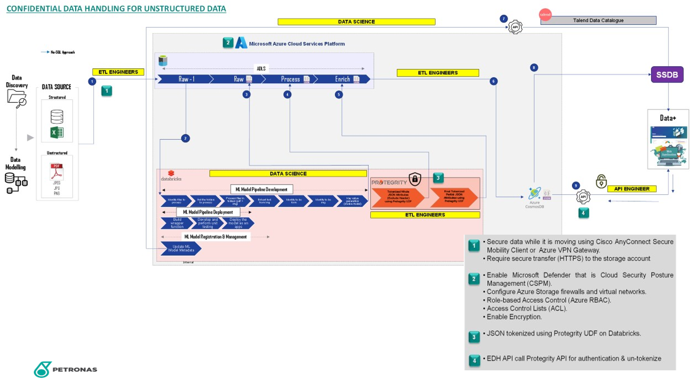

Internal
Page 1 of 1

